PC TECH CO. TRANSPORTATION
PC TECH CO.

GIVEN: |  |  |  |  | VARIABLES | AB | AC | AE | BB | BC | BE | CB | CC | CE | DB | DC | DE | EB | EC | EE
 |  |  |  |  | NO.OF STUDENTS | 400 | 0 | 300 | 500 | 0 | 0 | 0 | 100 | 0 | 0 | 800 | 0 | 0 | 0 | 400
 | KYOKO HS | DEVON HS | MANNY HS |  | MILES | 5 | 8 | 6 | 0 | 4 | 12 | 4 | 0 | 7 | 7 | 2 | 5 | 12 | 7 | 0
CAPACITY | 900 | 900 | 900
LOCATED | B | C | E

WALKING DISTANCE(miles) | 1.5 |  |  |  | CONSTRAINTS | AB | AC | AE | BB | BC | BE | CB | CC | CE | DB | DC | DE | EB | EC | EE | LHS | SIGN | RHS
 |  |  |  |  | 900 IN SCHOOL B | 1 |  |  | 1 |  |  | 1 |  |  | 1 |  |  | 1 |  |  | 900 | <= | 900
sector | dist to kyoko(B) | dist to devon( C) | dist to manny( E) | no.of students | 900 IN SCHOOL C |  | 1 |  |  | 1 |  |  | 1 |  |  | 1 |  |  | 1 |  | 900 | <= | 900
A | 5 | 8 | 6 | 700 | 900 IN SCHOOL E |  |  | 1 |  |  | 1 |  |  | 1 |  |  | 1 |  |  | 1 | 700 | <= | 900
B | 0 | 4 | 12 | 500 | 700 IN A | 1 | 1 | 1 |  |  |  |  |  |  |  |  |  |  |  |  | 700 | = | 700
C | 4 | 0 | 7 | 100 | 500 IN B |  |  |  | 1 | 1 | 1 |  |  |  |  |  |  |  |  |  | 500 | = | 500
D | 7 | 2 | 5 | 800 | 100 IN C |  |  |  |  |  |  | 1 | 1 | 1 |  |  |  |  |  |  | 100 | = | 100
E | 12 | 7 | 0 | 400 | 800 IN D |  |  |  |  |  |  |  |  |  | 1 | 1 | 1 |  |  |  | 800 | = | 800
 |  |  | total students | 2500 | 400 IN E |  |  |  |  |  |  |  |  |  |  |  |  | 1 | 1 | 1 | 400 | = | 400
OBJECTIVE: | MINIMIZE TOTAL DISTANCE TRAVELLED BY THE BUS
distance(MIN): | 5400
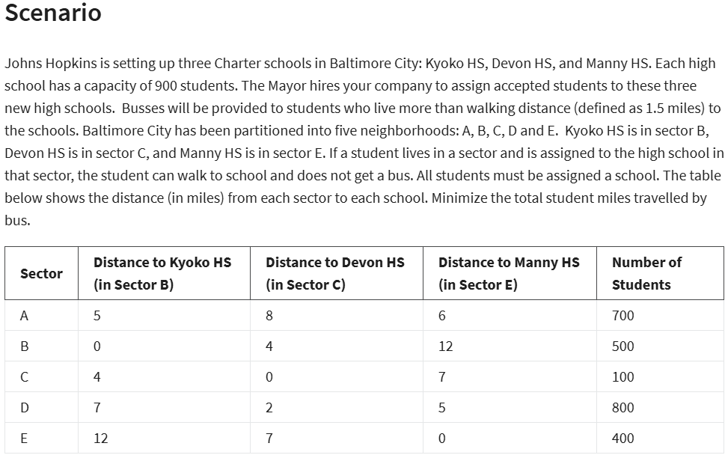
 |  |  |  |  |  |  | LP SIMPLEX MODEL SOLUTION | AB | AC | AE | BB | BC | BE | CB | CC | CE | DB | DC | DE | EB | EC | EE
 |  |  |  |  |  |  | NO,OF STUDENTS | 400 | 0 | 300 | 500 | 0 | 0 | 0 | 100 | 0 | 0 | 800 | 0 | 0 | 0 | 400

 |  |  |  |  |  |  | MIN MILES | 5400

